BQL
Truncation Techniques

let() | let(#PX=PX_LAST(dates=range(-1y,0d),fill=prev); #winsorize=winsorize(#px,std,2,2); #AVG_wo_Outlier=AVG(#winsorize).value; #AVG=AVG(#PX).value;#STD_wo_Outlier=STD(#winsorize).value; #STD=STD(#PX).value;)

get() | get(#AVG,#AVG_wo_Outlier,#STD,#STD_wo_Outlier)
for() | for('TSLA US Equity')
with() | with(mode=cached)

ID | #AVG | #AVG_wo_Outlier | #STD | #STD_wo_Outlier
TSLA US Equity | 207.91225408 | 207.90600688 | 48.112680917 | 48.015731901

let() | let(#Pe=pe_ratio(fpts=a,fpt=bt,fpo=1); #groupAVG=avg(Group(#Pe)); #winsorizedAVGPE=avg(group(groupwinsorize(#Pe,std,2,2))); #groupSTD=std(group(#Pe)); #winsoSTD=std(group(groupwinsorize(#Pe,std,2,2)));)

get() | get(#groupAVG,#winsorizedAVGPE,#groupSTD,#winsoSTD)
for() | for(filter(members('spx index'),#Pe!=NA))
with() | with(mode=cached)

ID | #groupAVG | #winsorizedAVGPE | #groupSTD | #winsoSTD
IdentityGroup | 20.594077971 | 19.754329246 | 14.081171339 | 10.24765987

 |  |  |  |  | 57.757247148
 |  |  |  |  | 54.322064787
 |  |  |  |  | 57.054935569
 |  |  |  |  | 53.134767556
 |  |  |  |  | 53.109592273
 |  |  |  |  | 49.612862314
 |  |  |  |  | 49.5773086
 |  |  |  |  | 49.541805807
 |  |  |  |  | 50.514137713
 |  |  |  |  | 1900-02-15 23:02:35
 |  |  |  |  | 1900-02-18 05:09:07
 |  |  |  |  | 1900-02-21 19:55:46
 |  |  |  |  | 1900-02-25 08:54:40
 |  |  |  |  | 1900-02-25 07:54:09
 |  |  |  |  | 1900-02-25 06:53:43
 |  |  |  |  | 1900-02-25 05:53:23
 |  |  |  |  | 1900-02-25 03:36:24
 |  |  |  |  | 1900-02-23 18:49:40
 |  |  |  |  | 1900-02-26 07:13:07
 |  |  |  |  | 1900-02-21 04:35:29
 |  |  |  |  | 1900-02-21 03:39:14
 |  |  |  |  | 1900-02-21 02:43:03
 |  |  |  |  | 1900-02-21 21:28:37
 |  |  |  |  | 1900-02-22 02:31:34
 |  |  |  |  | 1900-02-22 17:27:45
 |  |  |  |  | 1900-02-22 13:20:17
 |  |  |  |  | 1900-02-19 22:52:06
 |  |  |  |  | 1900-02-19 21:53:29
 |  |  |  |  | 1900-02-19 08:53:01
 |  |  |  |  | 1900-02-15 23:21:33
 |  |  |  |  | 1900-02-17 01:21:09
 |  |  |  |  | 1900-02-19 15:35:53
 |  |  |  |  | 1900-02-15 06:52:35
 |  |  |  |  | 1900-02-16 01:02:30
 |  |  |  |  | 46.916640244
 |  |  |  |  | 46.876809135
 |  |  |  |  | 46.837045601
 |  |  |  |  | 51.174975673
 |  |  |  |  | 51.736159851
 |  |  |  |  | 51.470241019
 |  |  |  |  | 53.83748737
 |  |  |  |  | 53.792010125
 |  |  |  |  | 53.746609646
 |  |  |  |  | 54.111260552
 |  |  |  |  | 50.761304802
 |  |  |  |  | 49.498971611
 |  |  |  |  | 48.587083234
 |  |  |  |  | 49.148793259
 |  |  |  |  | 49.106682181
 |  |  |  |  | 49.064643204
 |  |  |  |  | 49.066184729
 |  |  |  |  | 50.563042596
 |  |  |  |  | 50.230605262
 |  |  |  |  | 53.013471232
 |  |  |  |  | 54.3149044
 |  |  |  |  | 54.268012294
 |  |  |  |  | 54.221201086
 |  |  |  |  | 50.115223797
 |  |  |  |  | 49.844810155
 |  |  |  |  | 50.370006508
 |  |  |  |  | 50.501980394
 |  |  |  |  | 50.542728608
 |  |  |  |  | 50.494443528
 |  |  |  |  | 50.44931841
 |  |  |  |  | 50.639227048
 |  |  |  |  | 51.613892344
 |  |  |  |  | 51.003810995
 |  |  |  |  | 54.354140062
 |  |  |  |  | 54.285105852
 |  |  |  |  | 54.238267151
 |  |  |  |  | 54.204043078
 |  |  |  |  | 53.232961407
 |  |  |  |  | 51.290007425
 |  |  |  |  | 54.355670693
 |  |  |  |  | 55.510061989
 |  |  |  |  | 58.67379128
 |  |  |  |  | 58.623041784
 |  |  |  |  | 58.572380003
 |  |  |  |  | 58.546751905
 |  |  |  |  | 59.1234997
 |  |  |  |  | 60.416296188
 |  |  |  |  | 60.60731596
 |  |  |  |  | 56.540362235
 |  |  |  |  | 56.491941878
 |  |  |  |  | 56.443604384
 |  |  |  |  | 56.836330629
 |  |  |  |  | 55.401441929
 |  |  |  |  | 57.517897802
 |  |  |  |  | 55.960330301
 |  |  |  |  | 58.526576425
 |  |  |  |  | 58.476752809
 |  |  |  |  | 58.42701395
 |  |  |  |  | 60.184931112
 |  |  |  |  | 59.597912269
 |  |  |  |  | 59.048795394
 |  |  |  |  | 58.710075733
 |  |  |  |  | 57.458638978
 |  |  |  |  | 57.445609887
 |  |  |  |  | 57.397716106
 |  |  |  |  | 56.04438637
 |  |  |  |  | 57.185782242
 |  |  |  |  | 57.270592393
 |  |  |  |  | 56.771275339
 |  |  |  |  | 55.410543468
 |  |  |  |  | 55.363265698
 |  |  |  |  | 55.329125857
 |  |  |  |  | 54.45312259
 |  |  |  |  | 53.109669644
 |  |  |  |  | 52.276933333
 |  |  |  |  | 52.4174237
 |  |  |  |  | 51.061985236
 |  |  |  |  | 51.021019791
 |  |  |  |  | 50.980120024
 |  |  |  |  | 50.939285777
 |  |  |  |  | 51.491472206
 |  |  |  |  | 53.189727375
 |  |  |  |  | 54.188355783
 |  |  |  |  | 56.095083405
 |  |  |  |  | 56.049859356
 |  |  |  |  | 56.004708167
 |  |  |  |  | 56.844735926
 |  |  |  |  | 54.505936374
 |  |  |  |  | 56.30280332
 |  |  |  |  | 56.471369743
 |  |  |  |  | 56.237802092
 |  |  |  |  | 56.194220171
 |  |  |  |  | 56.150705747
 |  |  |  |  | 57.165223125
 |  |  |  |  | 57.058187868
 |  |  |  |  | 55.549649641
 |  |  |  |  | 53.24968668
 |  |  |  |  | 50.763795384
 |  |  |  |  | 50.724656538
 |  |  |  |  | 50.685577997
 |  |  |  |  | 50.655368425
 |  |  |  |  | 51.882378799
 |  |  |  |  | 52.736211249
 |  |  |  |  | 49.026515288
 |  |  |  |  | 48.430756
 |  |  |  |  | 48.394975394
 |  |  |  |  | 45.470360774
 |  |  |  |  | 41.345669437
 |  |  |  |  | 42.401045914
 |  |  |  |  | 40.909519233
 |  |  |  |  | 42.844730262
 |  |  |  |  | 40.152379987
 |  |  |  |  | 40.121371283
 |  |  |  |  | 40.090410437
 |  |  |  |  | 40.203641018
 |  |  |  |  | 38.955853155
 |  |  |  |  | 39.059004469
 |  |  |  |  | 39.922150129
 |  |  |  |  | 36.80079398
 |  |  |  |  | 36.772439618
 |  |  |  |  | 36.744128915
 |  |  |  |  | 39.34358736
 |  |  |  |  | 39.463786719
 |  |  |  |  | 39.839270411
 |  |  |  |  | 37.946177554
 |  |  |  |  | 39.152803475
 |  |  |  |  | 39.123515641
 |  |  |  |  | 39.146427343
 |  |  |  |  | 38.865146476
 |  |  |  |  | 40.912871382
 |  |  |  |  | 41.290342874
 |  |  |  |  | 41.341227641
 |  |  |  |  | 41.938936108
 |  |  |  |  | 41.906722081
 |  |  |  |  | 41.874557505
 |  |  |  |  | 41.827079881
 |  |  |  |  | 41.846753513
 |  |  |  |  | 39.443121428
 |  |  |  |  | 39.473756113
 |  |  |  |  | 37.975646784
 |  |  |  |  | 37.946667539
 |  |  |  |  | 37.818914435
 |  |  |  |  | 35.897395989
 |  |  |  |  | 34.817874739
 |  |  |  |  | 32.297800477
 |  |  |  |  | 34.750993421
 |  |  |  |  | 35.680213366
 |  |  |  |  | 35.652875459
 |  |  |  |  | 35.625579412
 |  |  |  |  | 34.7146558
 |  |  |  |  | 35.318512635
 |  |  |  |  | 33.930148384
 |  |  |  |  | 33.224090742
 |  |  |  |  | 32.658668074
 |  |  |  |  | 32.633807364
 |  |  |  |  | 32.608984474
 |  |  |  |  | 30.77173658
 |  |  |  |  | 31.122889373
 |  |  |  |  | 33.51558718
 |  |  |  |  | 33.491088351
 |  |  |  |  | 33.404514762
 |  |  |  |  | 33.380132769
 |  |  |  |  | 33.355786342
 |  |  |  |  | 33.342412124
 |  |  |  |  | 32.937443695
 |  |  |  |  | 35.437997654
 |  |  |  |  | 35.587589487
 |  |  |  |  | 35.591332622
 |  |  |  |  | 35.565867185
 |  |  |  |  | 35.540438163
 |  |  |  |  | 33.253207673
 |  |  |  |  | 32.750466411
 |  |  |  |  | 31.675144959
 |  |  |  |  | 31.588298449
 |  |  |  |  | 32.586906909
 |  |  |  |  | 32.563809491
 |  |  |  |  | 32.540744793
 |  |  |  |  | 30.478204707
 |  |  |  |  | 29.280965088
 |  |  |  |  | 28.54314758
 |  |  |  |  | 28.786813485
 |  |  |  |  | 27.436695125
 |  |  |  |  | 27.417671866
 |  |  |  |  | 27.398674968
 |  |  |  |  | 27.40834908
 |  |  |  |  | 25.350089545
 |  |  |  |  | 25.41105175
 |  |  |  |  | 23.176461897
 |  |  |  |  | 22.754582546
 |  |  |  |  | 22.739490024
 |  |  |  |  | 22.72441751
 |  |  |  |  | 22.788742451
 |  |  |  |  | 20.175627974
 |  |  |  |  | 20.989151045
 |  |  |  |  | 22.906390312
 |  |  |  |  | 23.147540313
 |  |  |  |  | 23.132981423
 |  |  |  |  | 23.118351646
 |  |  |  |  | 23.448749754
 |  |  |  |  | 20.91890742
 |  |  |  |  | 21.963260182
 |  |  |  |  | 21.369001036
 |  |  |  |  | 22.030758597
 |  |  |  |  | 22.015822138
 |  |  |  |  | 22.000905919
 |  |  |  |  | 23.308232721
 |  |  |  |  | 23.151481411
 |  |  |  |  | 23.98644956
 |  |  |  |  | 24.265032586
 |  |  |  |  | 24.57979262
 |  |  |  |  | 24.562394493
 |  |  |  |  | 24.671666875
 |  |  |  |  | 25.580562353
 |  |  |  |  | 28.528436939
 |  |  |  |  | 27.963764172
 |  |  |  |  | 27.747861023
 |  |  |  |  | 29.177979098
 |  |  |  |  | 29.154172556
 |  |  |  |  | 29.13040483
 |  |  |  |  | 31.270263991
 |  |  |  |  | 31.275205931
 |  |  |  |  | 31.503213854
 |  |  |  |  | 36.130634604
 |  |  |  |  | 40.722330031
 |  |  |  |  | 40.683807137
 |  |  |  |  | 40.815840651
 |  |  |  |  | 38.272207164
 |  |  |  |  | 40.411686608
 |  |  |  |  | 42.366993878
 |  |  |  |  | 43.832826068
 |  |  |  |  | 44.185687889
 |  |  |  |  | 44.14052181
 |  |  |  |  | 44.063905812
 |  |  |  |  | 45.25980097
 |  |  |  |  | 45.914104916
 |  |  |  |  | 46.910787598
 |  |  |  |  | 48.266271454
 |  |  |  |  | 45.790849209
 |  |  |  |  | 45.743737549
 |  |  |  |  | 45.696722731
 |  |  |  |  | 45.128132152
 |  |  |  |  | 48.455019959
 |  |  |  |  | 49.560623316
 |  |  |  |  | 47.903721642
 |  |  |  |  | 49.338057233
 |  |  |  |  | 49.285885228
 |  |  |  |  | 49.233823443
 |  |  |  |  | 49.181871531
 |  |  |  |  | 46.56173665
 |  |  |  |  | 47.699517342
 |  |  |  |  | 47.582308559
 |  |  |  |  | 46.489164638
 |  |  |  |  | 46.44016609
 |  |  |  |  | 46.391270719
 |  |  |  |  | 48.872860366
 |  |  |  |  | 48.290894074
 |  |  |  |  | 47.588827803
 |  |  |  |  | 44.50216997
 |  |  |  |  | 46.061784207
 |  |  |  |  | 46.01438145
 |  |  |  |  | 45.86973506
 |  |  |  |  | 44.900644362
 |  |  |  |  | 43.535837249
 |  |  |  |  | 42.168108967
 |  |  |  |  | 40.023187155
 |  |  |  |  | 40.102354452
 |  |  |  |  | 40.061249621
 |  |  |  |  | 40.020228968
 |  |  |  |  | 40.265063412
 |  |  |  |  | 42.248636711
 |  |  |  |  | 41.558955798
 |  |  |  |  | 42.363853439
 |  |  |  |  | 41.438666541
 |  |  |  |  | 41.396926001
 |  |  |  |  | 41.355269464
 |  |  |  |  | 42.0326174
 |  |  |  |  | 45.344346896
 |  |  |  |  | 43.824481567
 |  |  |  |  | 44.007282268
 |  |  |  |  | 43.548875702
 |  |  |  |  | 43.504943453
 |  |  |  |  | 43.461099753
 |  |  |  |  | 43.736572748
 |  |  |  |  | 43.146485998
 |  |  |  |  | 44.171371315
 |  |  |  |  | 44.445387722
 |  |  |  |  | 47.169884299
 |  |  |  |  | 47.122330176
 |  |  |  |  | 47.103805298
 |  |  |  |  | 44.171188494
 |  |  |  |  | 43.631450524
 |  |  |  |  | 41.989860503
 |  |  |  |  | 41.843876935
 |  |  |  |  | 41.802091562
 |  |  |  |  | 41.760389559
 |  |  |  |  | 41.704120268
 |  |  |  |  | 41.556088102
 |  |  |  |  | 42.027779742
 |  |  |  |  | 40.676916445
 |  |  |  |  | 41.843120485
 |  |  |  |  | 41.342055631

Resources
 | Resources

Bloomberg

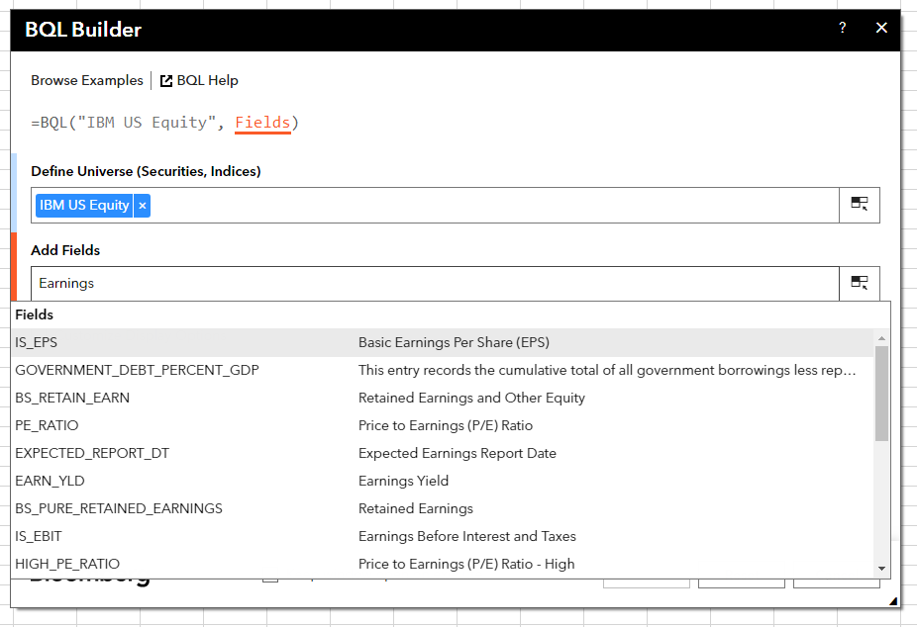
 | Bloomberg Ribbon: BQL Builder

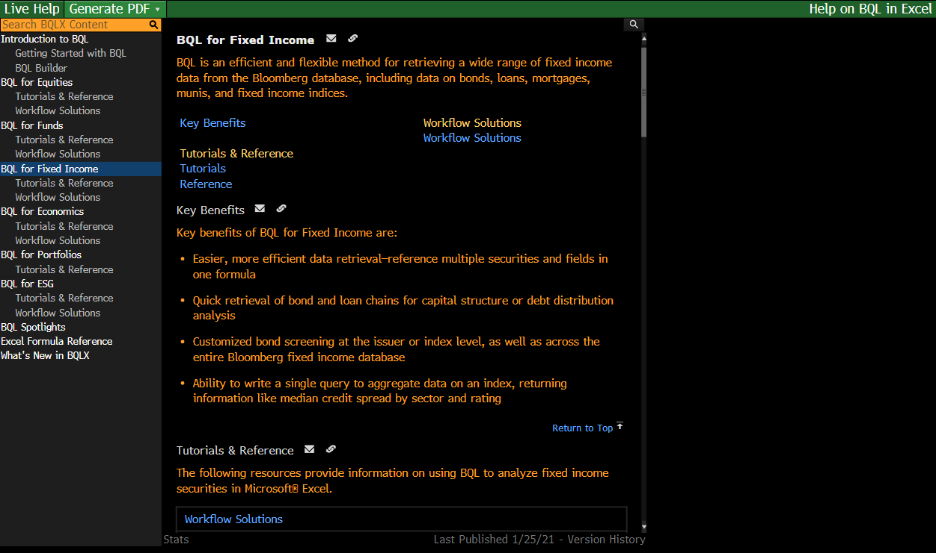
 | BQLX <GO> for HELP Page

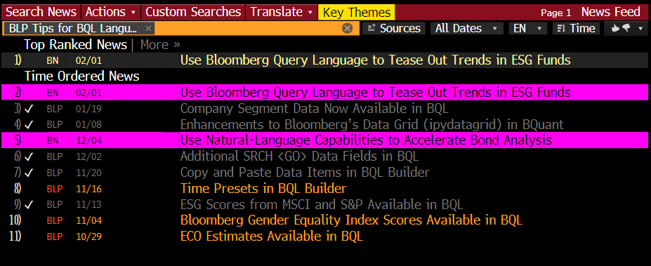
 | NI BLPBQL <GO>
 | Please subscribe it from "Actions" at the top -> Set Alert Delivery

